Sheet1
 |  |  | 2025 | 2026 | 2027 | 2028 | 2029 | 2030 | 2031 | 2032 | 2033 | 2034 | 2035 | 2036 | 2037 | 2038 | 2039 | 2040 | 2041 | 2042 | 2043 | 2044
 |  | REAL GDP GROWTH HISTORICAL | 3.10%

 |  | GDP GROWTH (CBO) | 30,500 | 31,049 | 31,608 | 32,177 | 32,756 | 33,346 | 33,946 | 34,557 | 35,179 | 35,812 | 36,457 | 37,113 | 37,781 | 38,461 | 39,153 | 39,858 | 40,576 | 41,306 | 42,049 | 42,806
 |  | REAL GDP W/AI | 30,500 | 31,445 | 32,420 | 33,425 | 34,462 | 35,530 | 36,631 | 37,767 | 38,938 | 40,145 | 41,389 | 42,672 | 43,995 | 45,359 | 46,765 | 48,215 | 49,709 | 51,250 | 52,839 | 54,477
 |  | USA STOCK MARKET CAP | 63,500 | 63,500 | 63,500 | 63,500 | 63,500 | 63,500 | 63,500 | 63,500 | 63,500 | 63,500 | 63,500 | 63,500 | 63,500 | 63,500 | 63,500 | 63,500 | 63,500 | 63,500 | 63,500 | 63,500
 |  | BUFFETT INDICATOR | 208% | 202% | 196% | 190% | 184% | 179% | 173% | 168% | 163% | 158% | 153% | 149% | 144% | 140% | 136% | 132% | 128% | 124% | 120% | 117%

 |  | CORPORATE PROFIT SHARE | 12% | 12% | 12% | 12% | 12% | 12% | 12% | 12% | 12% | 12% | 12% | 12% | 12% | 12% | 12% | 12% | 12% | 12% | 12% | 12%
 |  | STOCK PROFIT SHARE | 3,660 | 3,773 | 3,890 | 4,011 | 4,135 | 4,264 | 4,396 | 4,532 | 4,673 | 4,817 | 4,967 | 5,121 | 5,279 | 5,443 | 5,612 | 5,786 | 5,965 | 6,150 | 6,341 | 6,537 | 6,740 | 6,949 | 7,164 | 7,386 | 7,615 | 7,851 | 8,095 | 8,346 | 8,604 | 8,871 | 9,146 | 9,430 | 9,722 | 10,023 | 10,334 | 10,655 | 10,985 | 11,325 | 11,676 | 12,038 | 12,412 | 12,796 | 13,193 | 13,602 | 14,024 | 14,458 | 14,907 | 15,369 | 15,845 | 16,336 | 16,843 | 17,365 | 17,903 | 18,458 | 19,030 | 19,620 | 20,229 | 20,856 | 21,502 | 22,169 | 22,856 | 23,565 | 24,295 | 25,048 | 25,825 | 26,625 | 27,451 | 28,302 | 29,179 | 30,084 | 31,016 | 31,978 | 32,969 | 33,991 | 35,045 | 36,131 | 37,251 | 38,406 | 39,597 | 40,824 | 42,090 | 43,394 | 44,740 | 46,126 | 47,556 | 49,031 | 50,551 | 52,118 | 53,733 | 55,399 | 57,116 | 58,887 | 60,713 | 62,595 | 64,535 | 66,536 | 68,598 | 70,725 | 72,917 | 75,178 | 77,508 | 79,911 | 82,388 | 84,942 | 87,575 | 90,290 | 93,089 | 95,975 | 98,950 | 102,018 | 105,180 | 108,441 | 111,803 | 115,268 | 118,842 | 122,526 | 126,324 | 130,240 | 134,278 | 138,440 | 142,732 | 147,157 | 151,718 | 156,422

 |  | DISCOUNT | 9.80%
 |  | NPV | 54,605 | -14%
 |  | CBO NPV w/ terminal 3.1% | 53,000 | -17%
Questions |  | CBO NPV w/ terminal 2% | 50,000 | -21%

Is the current historically high corporate profit margins sustainable? (income inequality, strife)
How much real GDP growth/ productivity will AI be able to increase and what does this translate into for CAPEX to justify for returns?
How does the GDP growth vs Stock Market Cap NPV compare to other times such as the Tech Bubble?

Sources:
https://cdn.pficdn.com/cms/pgim-fixed-income/sites/default/files/2021-04/The%20Evolution%20of%20U.S.%20Corporate%20Profits_2.pdf | https://www.goldmansachs.com/insights/articles/ai-may-start-to-boost-us-gdp-in-2027 | "Goldman Sachs estimates that AI could boost U.S. GDP growth by 0.4 percentage points annually by 2034, primarily through automation and productivity gains"
https://ycharts.com/indicators/corporate_profits_usgdp |  | US corporate profits currently represent about 12% of GDP, significantly higher than the long-term average of 7.27%6. This elevated level reflects structural changes in the economy since the 2008 financial crisis7
 |  | Historical data shows that 1 percentage point of additional GDP growth causes the profit share to accelerate by just under 0.25 percentage points7. This suggests corporate profits grow at roughly 1.25x the rate of GDP growth
https://tradingeconomics.com/united-states/gdp-growth-annual | From 1948 to 2025, the average annual real GDP growth rate in the U.S. was about 3.15%

Thesis
the stock market is priced in for long term real gdp growth without inflation to be 3.1% and corporate profit shares to slowly increase
the feds and CBO projcetions are 1.8% real gdp growth for the next 10 years
the historical from like 1900 or late 1800s until now real gdp growth is 3.1%
were also at an all time high of corporate profit shares
and the long term debt cycle
economic inequality isnt sustainable with the historically high corporate profit shares
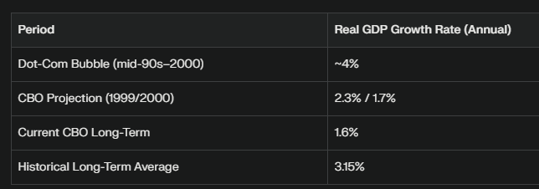
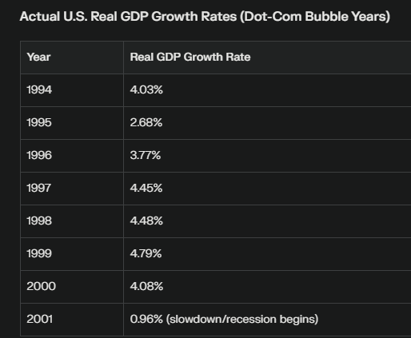

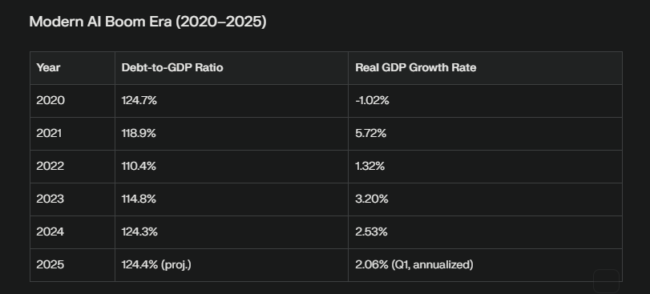

 | DOT COM bubble debt to gdp of 50%

